XWL LED Work Lights
INSERT YOUR MARKUP HERE:

`
NEW PRODUCT!
Lumalarm • LED Back Up Alarm • 87dB
Key Features:
Night silent - Alarm can be disengaged when in sound sensitive areas. Flashing amber LED warning stays on, warning pedestrians of vehicle presence
200 lumen amber LED - Provides bright visual warning of vehicle backing up in addition to audible alarm
Wraparound LED lens - Flashing amber LED warning visible beyond 180⁰ on either side of back up alarm, providing added safety
ABS plastic housing - Robust construction for heavy duty applications
Epoxy encapsulated electronic - Electronic components are protected against environmental elements
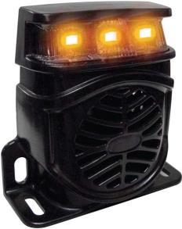

 |  |  |  | Part # | Special Member Price | Markup | Selling Price | Your Profit Margin

 |  |  |  | 52050 | $27.60 | 50% | $41.40 | 33%

Part #52050
Lumalarm • LED Back Up Alarm
87dB

SAE/DOT

Part # | Description | UPC | Price
52050 | Lumalarm • LED Back Up Alarm • 87dB | 58205520502 | $41.40

